1. Title Page
[Instacart Grocery Basket]

Project Name: Instacart Grocery Basket Analysis
Date: 30.05.2023
Analyst Name: Klaudia Mazur

Contents:
Population Flow
Consistency checks
Wrangling steps
Column derivations
Visualizations
Recommendations

2. Population Flow
Title page

Population flow

Exclusion flag
Condition: max_order < 5
Obervations to be removed: 1440295
Final total count of order_products_all: 30964564

Orders_products_combined
Orders_products_merged
Orders_products_all

Total: 32404859
Total: 32404859
Total: 32434489

1.) The grey boxes in the first row of the population flow represent the original data sets as they were when you downloaded them. In the Total fields you need to add the count of the rows when you imported the data set into Jupyter.
2.) The second row of boxes (coloured) represents the data sets after you manipulated them, e.g., removed missing values and duplicates. In the Total fields you need to add the count of the rows after conducting these operations. This offers a visual oveview of how the data flows throughout the data consistency checks.
3.) The third row, where also the arrows are coloured, represents the merges you performed between the datasets. In the Total fields you need to add the count of the rows in the merged datasets, so that you end up with the final dataset (in the red box). Keep in mind the final dataset should be without exclusions (based on the exclusion flag).

3. Consistency checks
 |  |  |  | Title page
Consistency checks

Dataset | Missing values | Missing values treatment | Duplicates
orders | 206209 missing values in days since prior order | no change: missing values match first order - it make sense | none
products | 16 missing values in product name few odd values in prices column - unrealistically high values of $14,900.00,or $99,999.00 | dropped 16 rows outstanding values replaced with nan | 5 duplicates deleted
orders_products_prior | none |  | none
customers | none |  | none

4. Wrangling steps
 |  |  |  | Title page
Wrangling steps

Columns dropped | Columns renamed | Columns' type changed | Comment/Reason
eval_set' column drpped |  |  | Column not needed for further analysis
 | {'order_dow' : 'order_day_of_week'} 'orders_day_of_week' : 'order_day_of_week' |  | transparency
 |  | ['order_id'] to 'str' | uniformity
 | {'days_since_prior_order' : 'days_since_last_order'} |  | transparency
 |  | ['user_id'] to ('int64') | uniformity
"First Name" |  |  | security
 | {'Surnam': 'Last Name'} |  | security

Last Name' |  |  | security
 | 'n_dependants': 'Dependants' |  | transparency
 |  | user_id'] to ('str' | uniformity
 | {'Last Name' : 'last_name', 'STATE' : 'state', 'fam_status' : 'family_status'} |  | transparency

5. Column derivations
 |  |  |  |  | Title page

Column derivations and aggregations

In this tab you should add tables below that the frequences of flags/label variables that you produced after deriving them. NB: don't do this for continuous variables, only for flags.
Dataset | New column | Column/s it was derived from | Conditions | Frequency
ords_prods_merged_new_columns | price_range_loc' | 'prices' | Low-range product' <= 5 'Mid-range product' > 5 and <= 15 'High range' > 15
ords_prods_merged_new_columns | Busiest day' | 'orders_day_of_week' | Busiest day == 0 Least busy== 4 Regularly busy: else
ords_prods_merged_new_columns | busiest_period_of_day' | 'order_hour_of_day | Most orders' >= 10 and value <= 15 'Fewest orders' >= 0 and value <= 5 'Average orders': else
ords_prods_merged_new_columns | busiest_period_of_day' | order_hour_of_day' | value in [10, 11, 14, 15, 13, 12, 16, 9, 17] : Most orders value in [8, 18, 19, 20, 7, 21, 22] : Average orders else : Fewest orders | Most orders : 23205725 Average orders : 7909997 Fewest orders : 1289137

ords_prods_merged_aggregated | 'max_order' | user_id', 'order_number' | groupby(['user_id'])['order_number'].transform(np.max)
ords_prods_merged_aggregated | loyalty_flag | max_order (user_id, max(order_number)) | max_order > 40 : Loyal customer max_order > 10 an d <= 40 : Regular customer max_order < 10 : New customer | Loyal customer : 10284093 Regular customer : 15876776 New customer : 6243990
ords_prods_merged_aggregated | mean_price' | user_id', 'prices' | df.groupby('loyalty_flag').agg({'prices': ['mean']})
ords_prods_merged_aggregated | spending_flag | mean_price' | loc[df['avg_price'] < 10, 'spending_flag'] = 'Low spender' loc[df['avg_price'] >= 10, 'spending_flag'] = 'High spender'
ords_prods_merged_aggregated | mean_days' | user_id' and 'days_since_last_order' | df['mean_days'] = df.groupby(['user_id'])['days_since_prior_order'].transform(np.median)
ords_prods_merged_aggregated | 'frequency_flag' | mean_days' | Non-frequent customer' > 20 'Regular customer' >= 10 and <= 20 'Frequent customer' <= 10 | Frequent customer 21560324 Regular customer 7209005 Non-frequent customer 3636707
cust_ord_prod_final | 'region' | 'state' | Northeast' : 'Maine','New Hampshire', 'Vermont', 'Massachusetts','Rhode Island','Connecticut','New York','Pennsylvania','New Jersey' 'Midwest': 'Wisconsin','Michigan','Illinois','Indiana','Ohio','North Dakota','South Dakota','Nebraska','Kansas','Minnesota','Iowa','Missouri' 'South' :'Delaware','Maryland','District of Columbia','Virginia','West Virginia','North Carolina','South Carolina','Georgia','Florida','Kentucky','Tennessee','Mississippi',' Alabama','Oklahoma','Texas','Arkansas','Louisiana' 'West' : else
cust_ord_prod_final | 'activity_flag' | max_order' | Age'< 30: 'below-30' 'Age'>30 and < 60: '30-to-60' 'Age'>= 60: 'above 60' | 30-to-60 15732153 over-60 10583191 below-30 6090697
cust_ord_prod_final | age_profile' | Age'
cust_ord_prod_final | income_profile' | 'income' | income' < 750000 : 'below-75k' 'income' >= 75000 and <= 125000: '75k-to-125k' 'income' > 125000 : 'over-125k' | 75k-to-125k 13331618 below-75k 10443165 over-125k 8631258
cust_ord_prod_final | children' | family_status' | children' == 0': 'no childern' 'children' >= 1': 'with childern' | with childern 24308182 no childern 8097859
cust_ord_prod_final | 'baby_parents' | 'Dependants' | if count in department [18] == 0 : 'non-baby-parent' else: 'baby-parent' | baby-parent 30989507 non-baby-parent 1416534
cust_ord_prod_final | abstinence' | 'Dependants' | if count in department [5] == 0 : abstinent else: 'non-abstinent | non-abstinent 19540578 abstinent 12865463
cust_ord_prod_final | 'pet_owners' | 'Dependants' | if count in department [8] == 0 : non-pet-owner else: 'pet-owner | pet-owner 26182942 non-pet-owner 6223099
cust_ord_prod_final | vege' | 'Dependants' | if count in department [12 and 16] == 0 : vegan elif count in department [11] == 0 vegetarian else: meat-eater | meat-eater 23507940 vegetarian 8089011 vegan 809090

6. Visualizations
 |  |  |  |  |  |  |  |  | Title page

Visualisations

In this tab you should include all the visualtions from Exercises 4.9 and 4.10, alongside the questions from the project brief that they answer. Include any commentary on the relationship between different variables.

 | What are the busiest days and hours ?

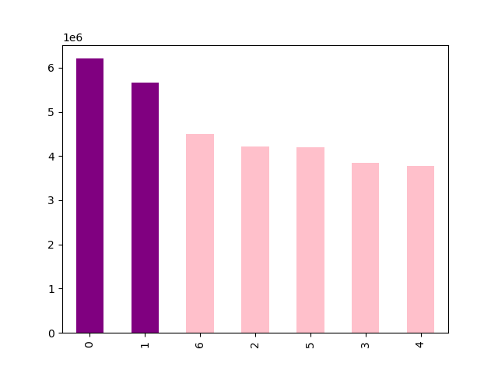 |  |  |  |  |  | Bar chart shows number of orders per day of the week. Saturday, followed closely by Sunday and Friday is the busiest day of the week. |  | LEGEND: 0 = Saturday 1 = Sunday 2 = Monday 3 = Tuesday 4 = Wednesday 5 = Thursday 6 = Friday

 |  |  |  |  |  | Histogram shows the frequency of orders per hour of the day ( 24h time format) The pick falls between 10 and 12. Number of orders remain high between 9am and 17 with clear drop between midnight and very early morning.

 | What time of the day customers spend the most money?

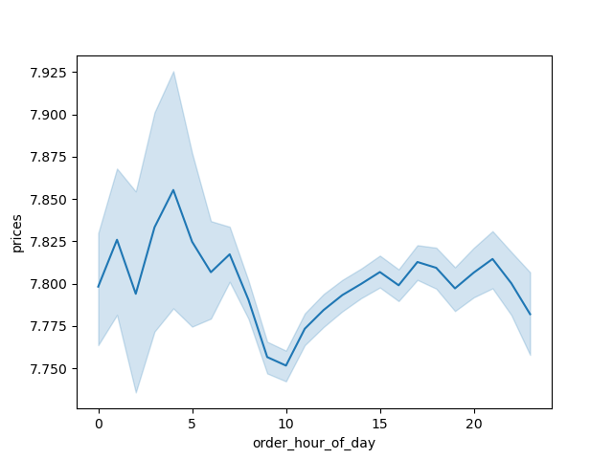 |  |  |  |  |  | Line chart shows the average price of the order per hour of the day. Morning purchases seem to be on average cheaper than afternoon ones. (The most expensive items seem to be bought late at night however the error margine is also larger at this time. ) | 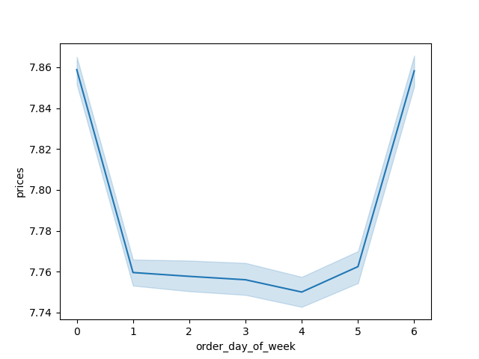 |  | Line chart shows average price of the order per day of the week Friday and Saturday are clearly days when customers spend the most.

 | Are there any types of products that are visibly more popular than others?

 |  |  |  |  |  |  | 1 - frozen; 2 - other; 3 - bakery; 4 - produce; 5 - alcohol; 6 - international; 7 - beverages; 8 - pets; 9 - dry goods pasta; 10 - bulk; 11 - personal care; 12 - meat/seafood; 13 - pantry; 14 - breakfast; 15 - canned goods; 16 - dairy/eggs; 17 - household; 18 - babies; 19 - snacks; 20 - deli; 21 - missing

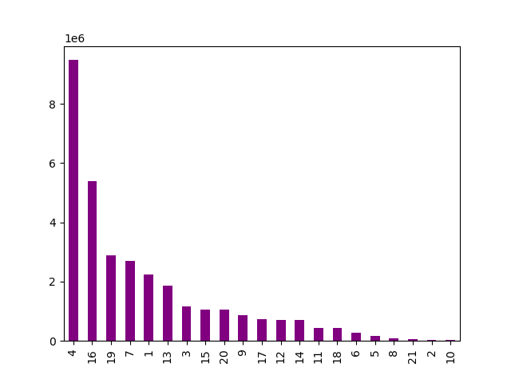 |  |  |  |  |  | Bar chart shows number of products bought from each department. Products of departments 4 and 16 are the most popular (produce and dairy/eggs) The least popular are 21, 2 and 10 (missing, other and bulk)

 | How the loyalty dirstibution looks like?

 | 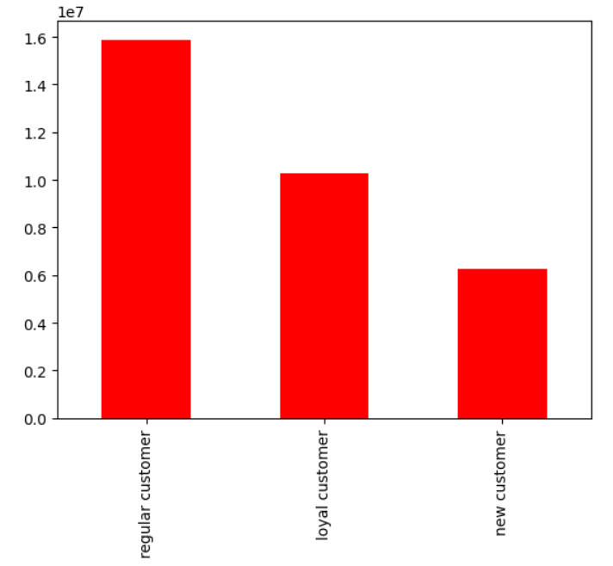 |  |  |  |  | Bar chart shows number of customers categorized as follows: Loyal customers - placed over 40 orders Regular customers - placed 10 to 40 orders New customers - max 10 orders Half of the customers are categorized as regular customers and one third as Loyal customers.

 | Can we spot any patterns according to regions?

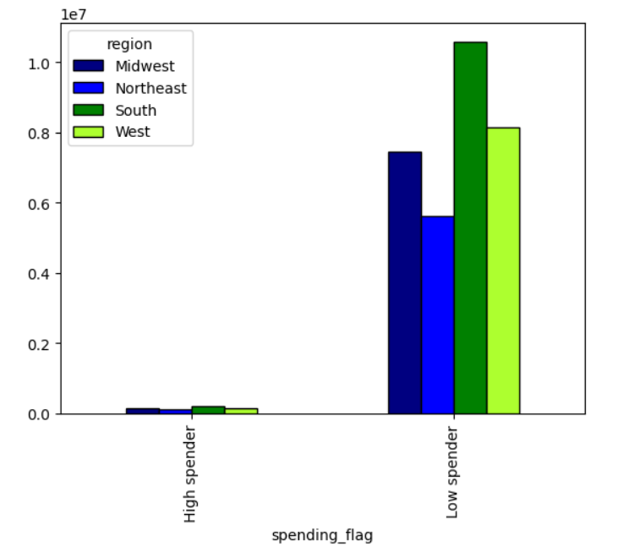 |  |  |  | 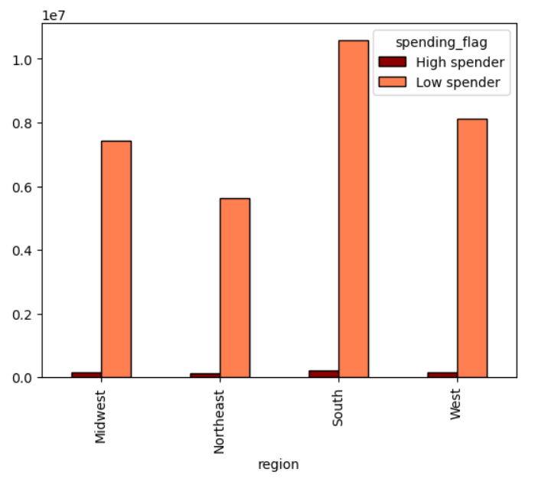 |  |  | spending flag informs whether customer is high or low spender Bar charts show dependency between customer spending and where they are located

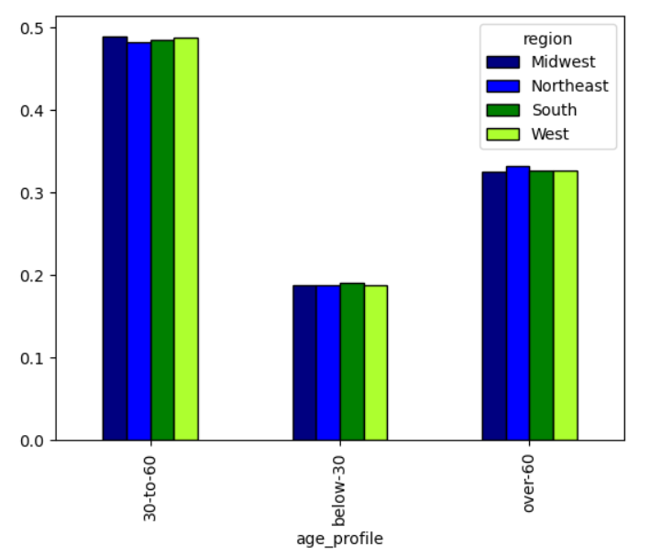 |  |  |  | 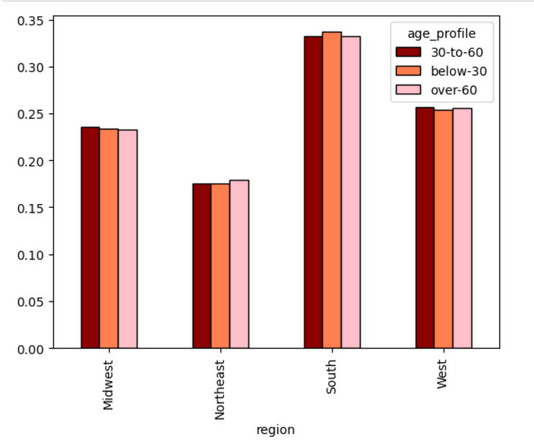 |  |  | Bar charts show dependency between age group and region

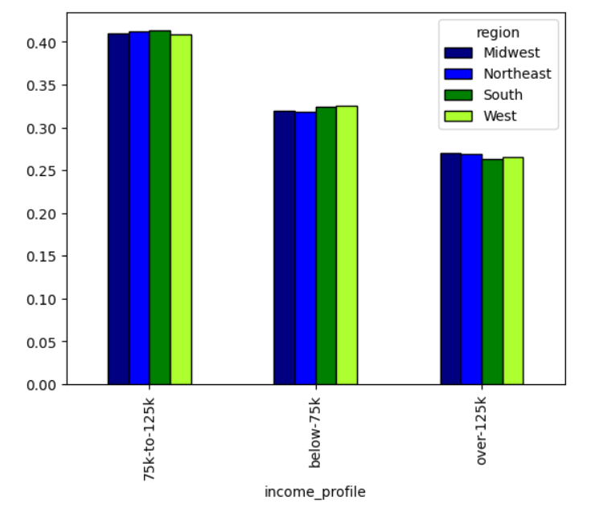

 |  |  |  |  | 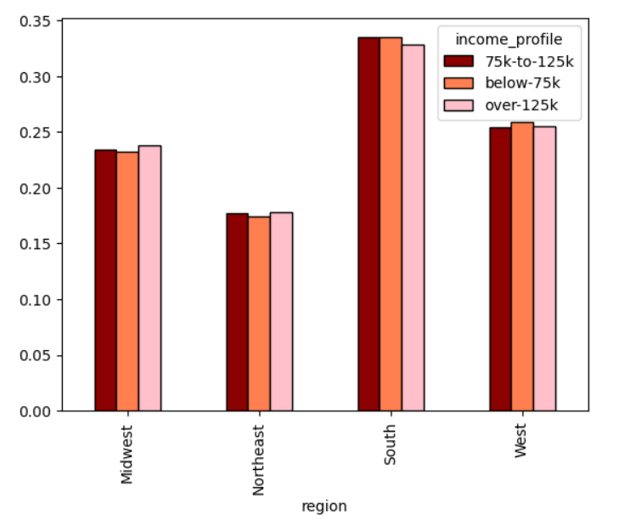 |  | Bar charts show dependency between income and region

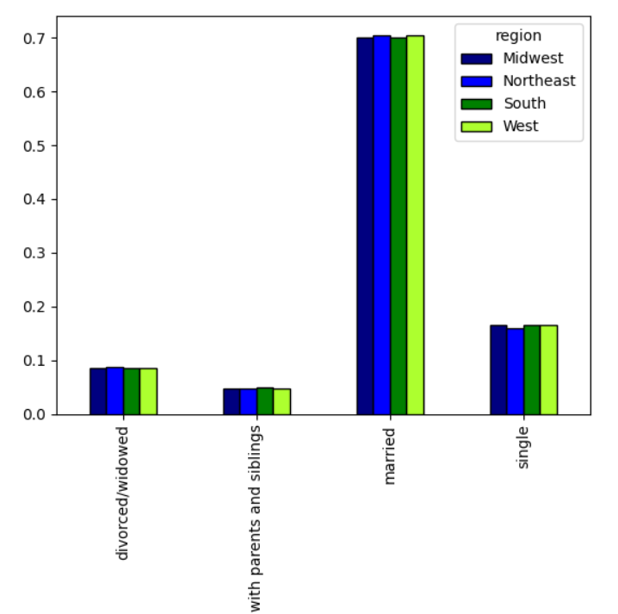

 |  |  |  |  | 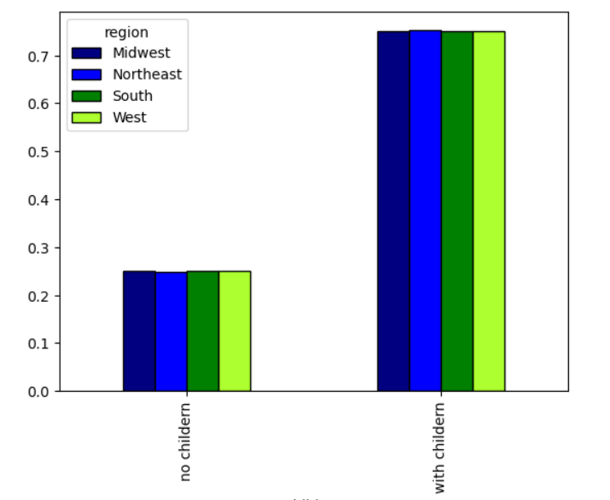 |  | 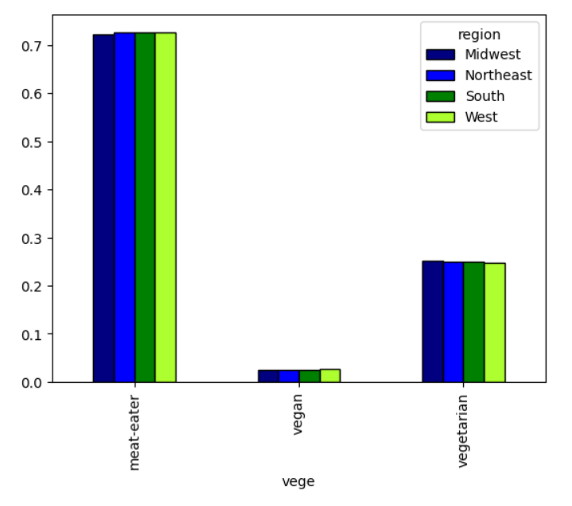

 |  | Bar charts show dependency between region and: family status having children meat-eating

 |  | Can we spot any patterns according to assortiment?

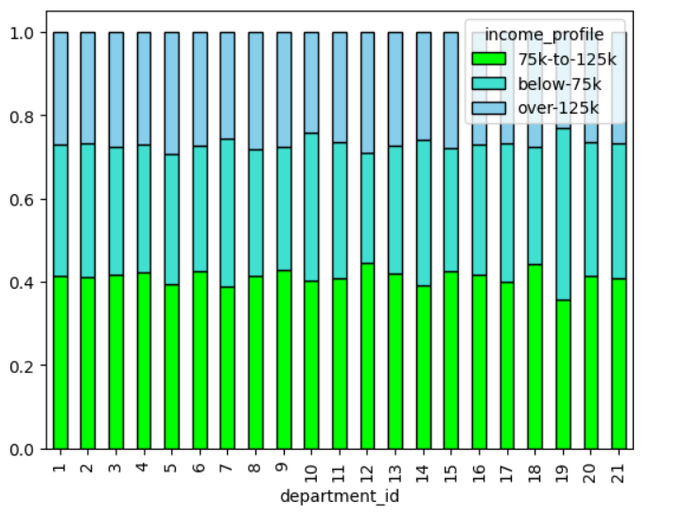

 |  |  |  |  |  |  | Bar chart shows dependency between income and purchases in particular departments

 |  | Customer profiles:

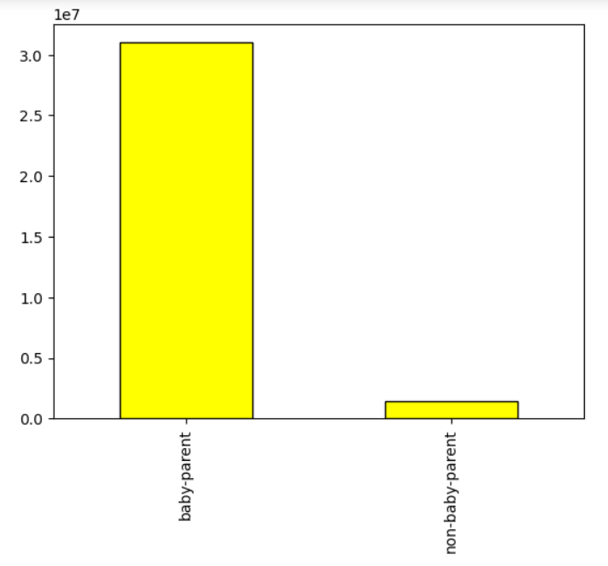
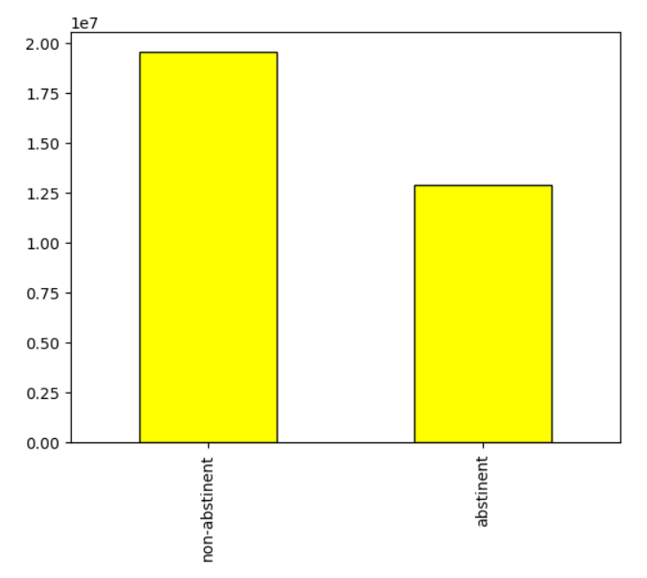
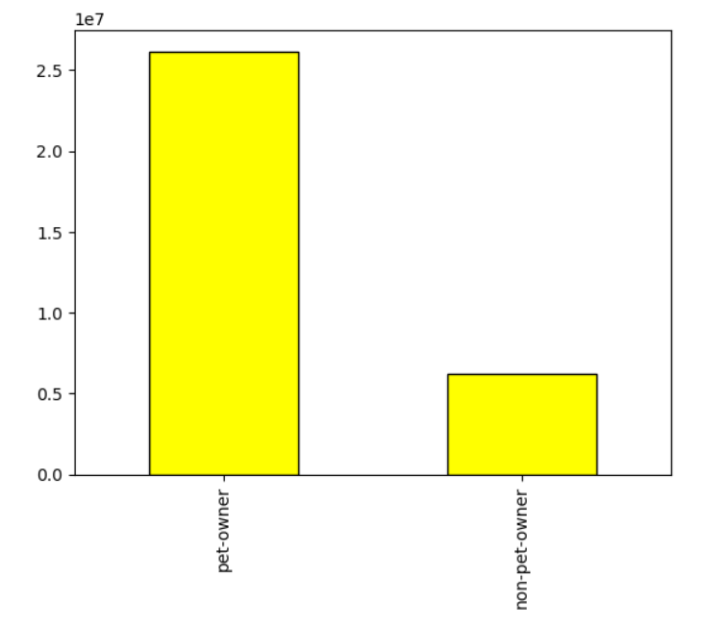
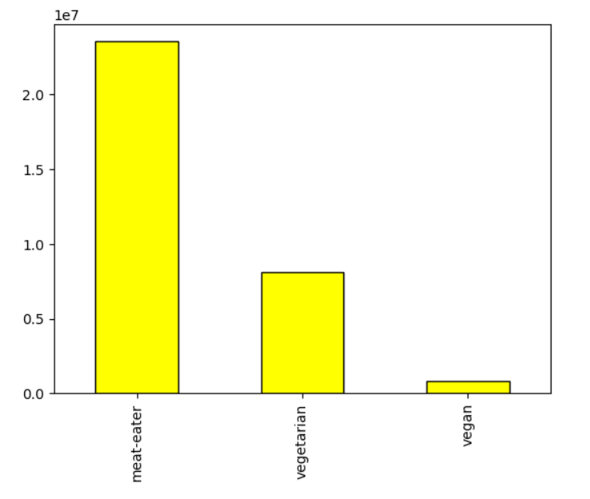
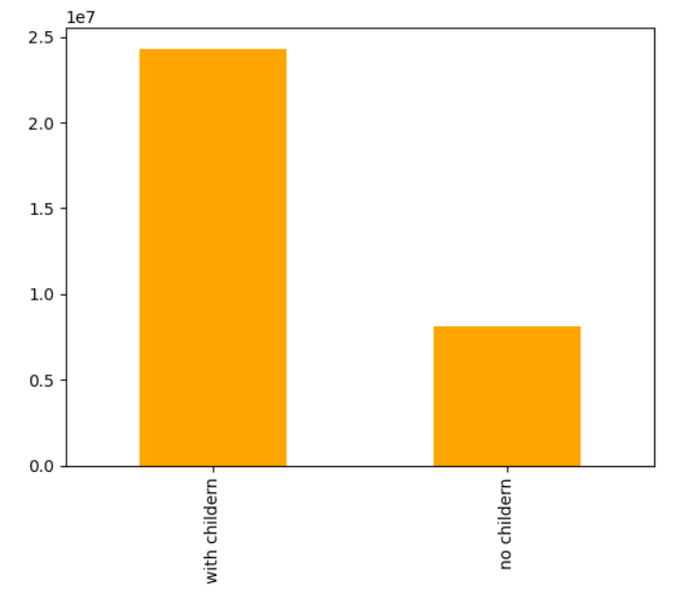
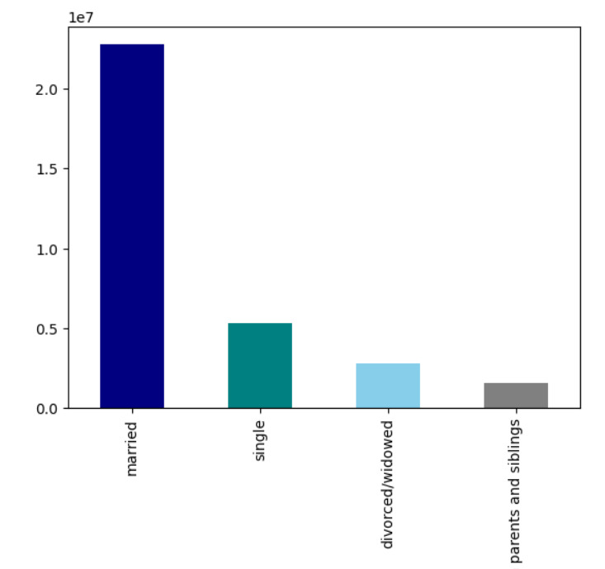

 |  |  | Bar charts above show customer profiles in terms of: the ratio of: baby partents to non-baby partents abstinents to non-abstinents pet owners to non-pet owners meat-eaters to vegetarians to vegans

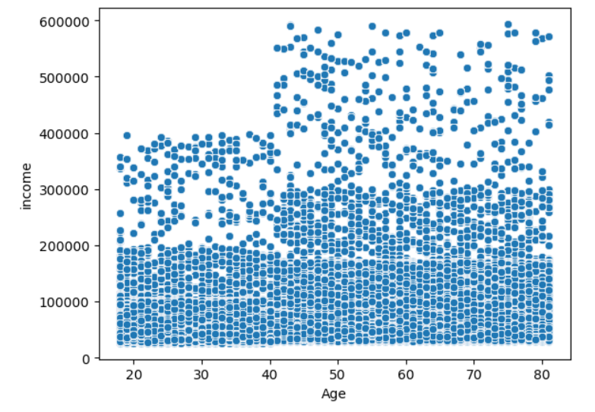
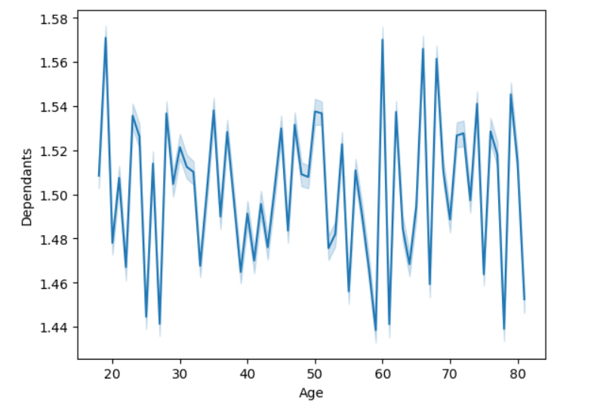

 |  |  | The Bar charts above show dependency between age and income and number of dependants

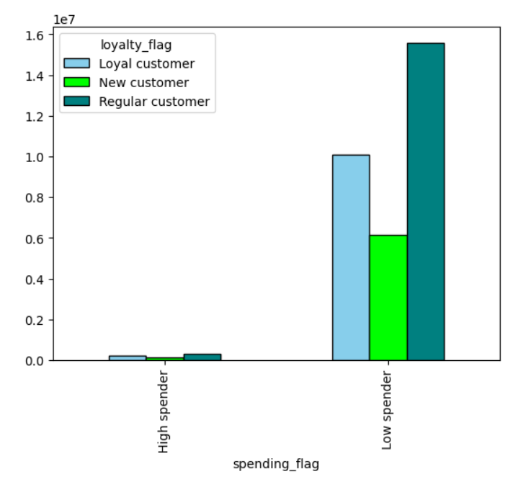
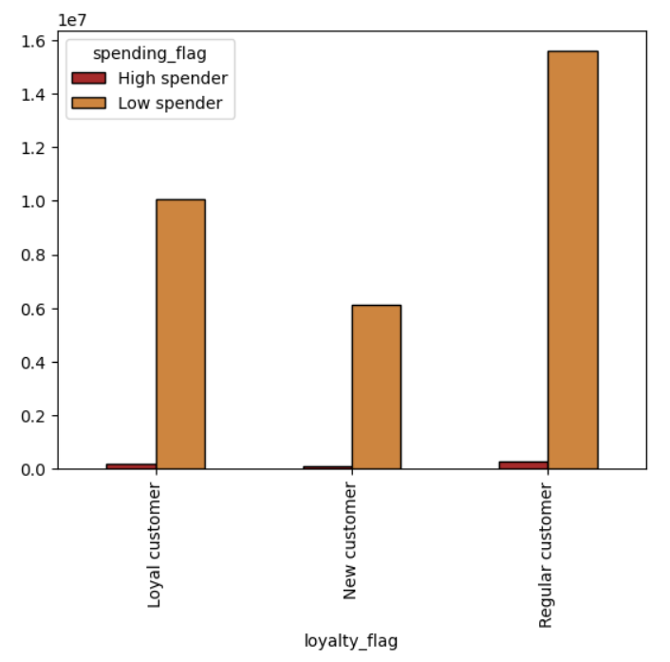

 |  |  | Bar charts above show dependency between spending and loyalty

 |  |  | other

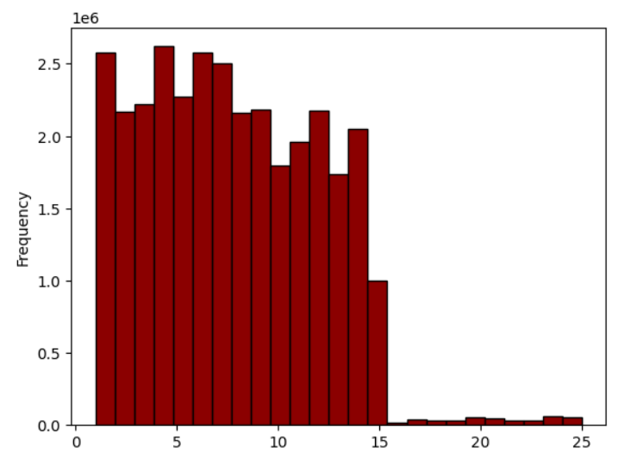

 |  |  | Histogram above shows frequency of prices

7. Recommendations
 |  |  |  | Title page

Recommendations

In this tab you should include any recommendations you would made to Instcart in terms of their marketing strategy based on the questions posed in the brief. Every key question has been covered in the Tasks of the Exercises - here you need to add an item - a visualisation or table/crosstable that is showing the answer in the data, acompanied by a comment from you. Please, list the questions below and add the answer underneath.

Question |  | Answer | Reccomendation

● The sales team needs to know what the busiest days of the week and hours of the day are (i.e., the days and times with the most orders) in order to schedule ads at times when there are fewer orders. | 1 | Saturday and Sunday are the busiest days Tuesdays and Wednesdays are the slowest days | Additional ads shall be scheduled for Tuesdays and Wednesdays to boost sales o those days.
● They also want to know whether there are particular times of the day when people spend the most money, as this might inform the type of products they advertise at these times. | 2 |  Morning purchases are usually cheaper than afternoon ones. (The most expensive items seem to be bought late at night however the error margine is also larger at this time. ) | Nighttime ads for more expensive products could be profitable. Lunchtime ads (when people likely have a break) are also reccomended.
● Instacart has a lot of products with different price tags. Marketing and sales want to use simpler price range groupings to help direct their efforts. | 3 | After remowing outstanding prices from the data set we can see that price tags go up to 25. I would suggest: Low-price: < 10 Med-price: between 10 and 20 High-price: > 20
● Are there certain types of products that are more popular than others? The marketing and sales teams want to know which departments have the highest frequency of product orders. | 4 | produce is the most popular type of product followed by dairy/eggs
○ What’s the distribution among users in regards to their brand loyalty i.e., how often do they return to Instacart)? | 5 | Loyal customers - placed over 40 orders Regular customers - placed 10 to 40 orders New customers - max 10 orders
○ Are there differences in ordering habits based on a customer’s loyalty status? | 6 | Regular customers are spending the most, followed by loyal customers. New customers are rather low spenders. | There is no visible pattern in ordering based on customer loyalty status. Since regular ustomers are the most profitable it would be beneficial to turn them into loyal customers by offering loyalty programs.
○ Are there differences in ordering habits based on a customer’s region? | 7 | It seems that there are no significant differences between regions. (see tab viualisations for charts) | There is no geographical patterns in customer money spending - We should not fokus on regional targeting but focus other relevant factors.
○ Is there a connection between age and family status in terms of ordering habits? | 8 | 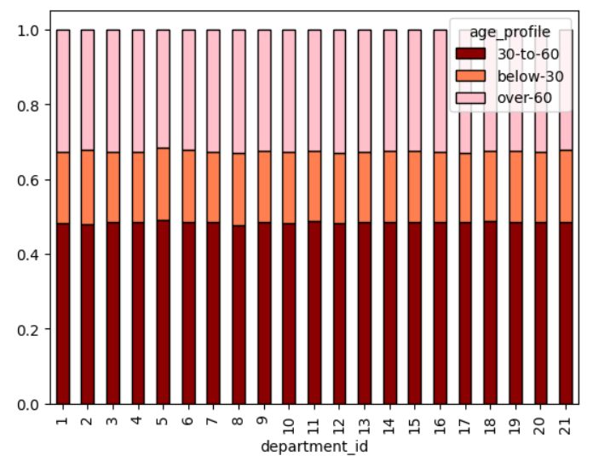 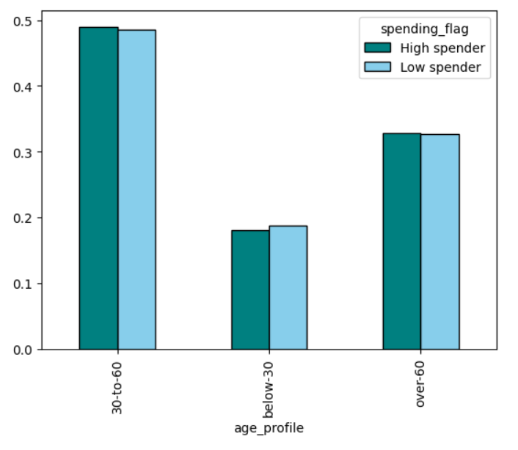 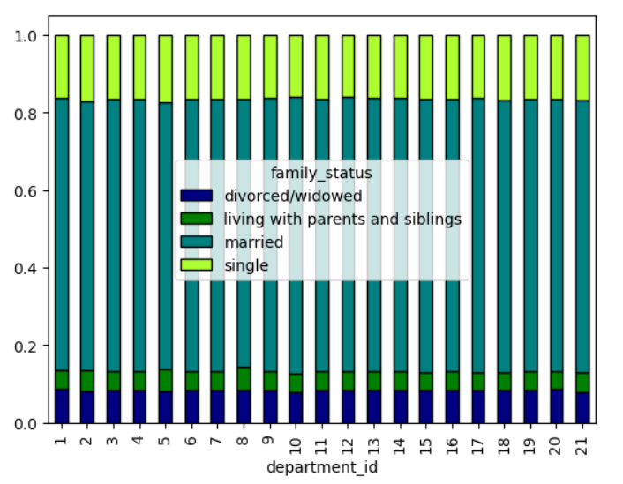 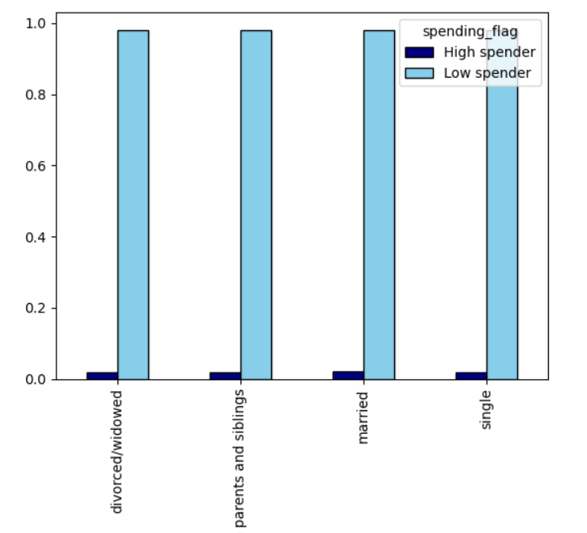 There is no visible pattern between ordering habbits and age or loyalty status
○ What different classifications does the demographic information suggest? Age? Income? Certain types of goods? Family status? | 9 |  | Considering that majority of the customers are parents and pet-owners, we could invest in advertising products appealind specifically to those groups.
○ What differences can you find in ordering habits of different customer profiles? Consider the price of orders, the frequency of orders, the products customers are ordering, and anything else you can think of. | 10 |  | Income start to increase from 40 yo - we can reasearch that population and target them for higher profit.

